PPM
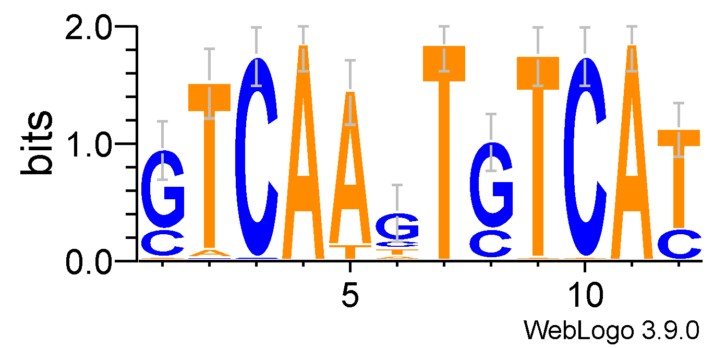
 | 0 | 1 | 2 | 3 | 4 | 5 | 6 | 7 | 8 | 9 | 10 | 11
A | 0.03125 | 0.046875 | 0 | 1 | 0.90625 | 0.09375 | 0 | 0.015625 | 0.015625 | 0.015625 | 1 | 0
C | 0.25 | 0.015625 | 0.984375 | 0 | 0 | 0.15625 | 0 | 0.25 | 0 | 0.984375 | 0 | 0.234375
G | 0.71875 | 0 | 0.015625 | 0 | 0 | 0.59375 | 0 | 0.734375 | 0 | 0 | 0 | 0
T | 0 | 0.9375 | 0 | 0 | 0.09375 | 0.15625 | 1 | 0 | 0.984375 | 0 | 0 | 0.765625

